PA
Distribution of Chronic Absence Levels Across Schools in Pennsylvania
Pennsylvania

Chronic Absence Level Concentrations in Pennsylvania Schools | Number of Schools | Percent
Extreme Chronic Absence (30%+) | 359 | 12%
High Chronic Absence (20-29.9%) | 354 | 12%
Significant Chronic Absence (10-19.9%) | 788 | 27%
Modest Chronic Absence (5-9.9%) | 638 | 22%
Low Chronic Absence (0-4.9%) | 813 | 28%
Grand Total (n) | 2,952

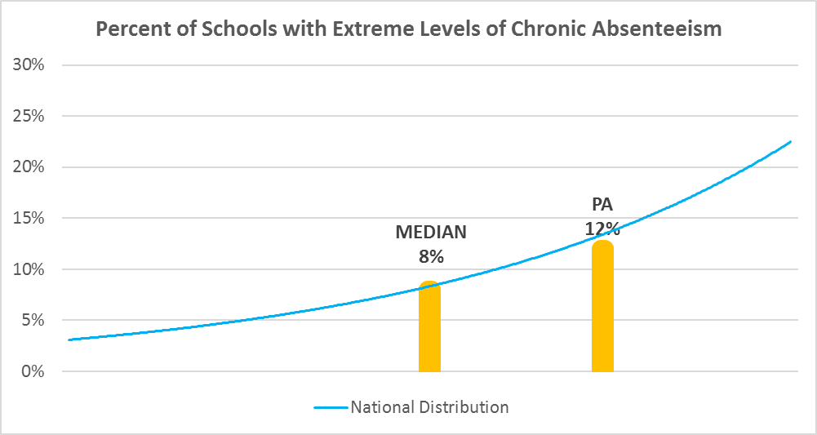

Chronic Absence Levels for Pennsylvania Schools Vary by Grades Served

Chronic Absence Concentration and Grade Level | Elementary | Middle | High | Other | Total
Extreme Chronic Absence (30%+) | 139 | 32 | 162 | 26 | 359
High Chronic Absence (20-29.9%) | 146 | 53 | 140 | 15 | 354
Significant Chronic Absence (10-19.9%) | 396 | 196 | 171 | 25 | 788
Modest Chronic Absence (5-9.9%) | 441 | 131 | 55 | 11 | 638
Low Chronic Absence (0-4.9%) | 566 | 127 | 104 | 16 | 813
Grand Total (n) | 1688 | 539 | 632 | 93 | 2952
 | Elementary | Middle | High | Other
Extreme Chronic Absence (30%+) | 8% | 6% | 26% | 28%
High Chronic Absence (20-29.9%) | 9% | 10% | 22% | 16%
Significant Chronic Absence (10-19.9%) | 23% | 36% | 27% | 27%
Modest Chronic Absence (5-9.9%) | 26% | 24% | 9% | 12%
Low Chronic Absence (0-4.9%) | 34% | 24% | 16% | 17%

Chronic Absence Levels for Pennsylvania Schools Vary by School Type
Chronic Absence Concentration and School Type | Regular | Special Ed. | Vocational | Alternative | Total
Extreme Chronic Absence (30%+) | 328 | 5 | 24 | 2 | 359
High Chronic Absence (20-29.9%) | 342 | 0 | 12 | 0 | 354
Significant Chronic Absence (10-19.9%) | 785 | 0 | 3 | 0 | 788
Modest Chronic Absence (5-9.9%) | 637 | 0 | 1 | 0 | 638
Low Chronic Absence (0-4.9%) | 805 | 0 | 3 | 5 | 813
Grand Total (n) | 2897 | 5 | 43 | 7 | 2952
 | Regular | Special Ed. | Vocational | Alternative
Extreme Chronic Absence (30%+) | 11% | 100% | 56% | 29%
High Chronic Absence (20-29.9%) | 12% | 0% | 28% | 0%
Significant Chronic Absence (10-19.9%) | 27% | 0% | 7% | 0%
Modest Chronic Absence (5-9.9%) | 22% | 0% | 2% | 0%
Low Chronic Absence (0-4.9%) | 28% | 0% | 7% | 71%

Pennsylvania Schools Serving More Students in Poverty Have Higher Chronic Absence Levels
Chronic Absence Concentration and Poverty Level | >=75% | 50-74% | 25-49% | 0-24% | Total
Extreme Chronic Absence (30%+) | 195 | 75 | 58 | 13 | 341
High Chronic Absence (20-29.9%) | 94 | 99 | 122 | 29 | 344
Significant Chronic Absence (10-19.9%) | 76 | 203 | 380 | 125 | 784
Modest Chronic Absence (5-9.9%) | 44 | 82 | 262 | 248 | 636
Low Chronic Absence (0-4.9%) | 59 | 103 | 346 | 301 | 809
Grand Total (n) | 468 | 562 | 1168 | 716 | 2914
 | >=75% | 50-74% | 25-49% | 0-24%
Extreme Chronic Absence (30%+) | 42% | 13% | 5% | 2%
High Chronic Absence (20-29.9%) | 20% | 18% | 10% | 4%
Significant Chronic Absence (10-19.9%) | 16% | 36% | 33% | 17%
Modest Chronic Absence (5-9.9%) | 9% | 15% | 22% | 35%
Low Chronic Absence (0-4.9%) | 13% | 18% | 30% | 42%

Distribution of Chronic Absence Levels for Pennsylvania Schools Across Different Locales
Chronic Absence Concentration and Locale | City | Suburb | Town | Rural | Total
Extreme Chronic Absence (30%+) | 202 | 84 | 28 | 45 | 359
High Chronic Absence (20-29.9%) | 116 | 102 | 43 | 93 | 354
Significant Chronic Absence (10-19.9%) | 117 | 315 | 106 | 250 | 788
Modest Chronic Absence (5-9.9%) | 54 | 375 | 61 | 148 | 638
Low Chronic Absence (0-4.9%) | 67 | 485 | 58 | 203 | 813
Grand Total (n) | 556 | 1361 | 296 | 739 | 2952
 | City | Suburb | Town | Rural
Extreme Chronic Absence (30%+) | 36% | 6% | 9% | 6%
High Chronic Absence (20-29.9%) | 21% | 7% | 15% | 13%
Significant Chronic Absence (10-19.9%) | 21% | 23% | 36% | 34%
Modest Chronic Absence (5-9.9%) | 10% | 28% | 21% | 20%
Low Chronic Absence (0-4.9%) | 12% | 36% | 20% | 27%

